1. Title Page
[Project Name]

Project Name: Instacart
Date: 28th June 2024
Analyst Name: Hanbyul Jung

Contents:
Population Flow
Consistency checks
Wrangling steps
Column derivations
Visualizations
Recommendations

2. Population Flow
 | Title page

Population flow

Exclusion flag
Condition: max_order <
Obervations to be removed:
Final total count of order_products_all:
Orders - original data
Total:
(3,421,083 )
Orders - after consistency checks
Total: (3,421,083)

Orders_products_combined
Orders_products_merged
Orders_products_all

Total: (32,4.6,252)
Total: (32,434,489)
Total: 9731052 *

* Due to memory constraints, a subset (30% random sample of the 'Orders_products_merged' dataset) was used for the final merging process.
1.) The grey boxes in the first row of the population flow represent the original data sets as they were when you downloaded them. In the Total fields you need to add the count of the rows when you imported the data set into Jupyter.
2.) The second row of boxes (coloured) represents the data sets after you manipulated them, e.g., removed missing values and duplicates. In the Total fields you need to add the count of the rows after conducting these operations. This offers a visual oveview of how the data flows throughout the data consistency checks.
3.) The third row, where also the arrows are coloured, represents the merges you performed between the datasets. In the Total fields you need to add the count of the rows in the merged datasets, so that you end up with the final dataset (in the red box). Keep in mind the final dataset should be without exclusions (based on the exclusion flag).

3. Consistency checks
 |  |  |  | Title page
Consistency checks

Dataset | Missing values | Missing values treatment | Duplicates
orders | 206,209 in column 'Day_since_prior_order' | A separat column 'first_order' is created and flagged with "True" where value is missing in the "days_since_prior_order" variable. | 0
products | 16 in column 'product_name' | A separate list (df) was created for a cross-check with client. | 5 dups were found and removed.
orders_products_prior | 0 | n/a | 0
customers | 11,259 in column 'first_name' | Reamined in tact due to large volume and the importance of the information. | 0

4. Wrangling steps
 |  |  |  | Title page
Wrangling steps

Columns dropped | Columns renamed | Columns' type changed | Comment/Reason
eval_set |  |  | no value
 |  | order_id', 'product_id', 'add_to_cart_order', 'reordered' ,'product_name' | alined to a single data type
 |  | user_id', 'Age', 'No_of_dependants', 'income', 'product_id', 'aisle_id', 'department_id', 'prices', 'order_id', 'orders_sequence', 'orders_day_of_week', 'order_hour_of_day', 'days_since_prior_order', 'add_to_cart_order', 'reordered', 'max_order' | downcasted to smallest possible due to memory constraint

 | order_day_of_week
First_name | First_name |  | Deleted to ensure the data privacy regulations.
Surname | Surname |  | Deleted to ensure the data privacy regulations.
 | State
 | No_of_dependents

5. Column derivations
 |  |  |  | Title page

Column derivations and aggregations

Dataset | New column | Column/s it was derived from | Conditions
orders_checked | first_order | days_since_prior_order | ["days_since_prior_order"].isnull() days_since_prior_order - Min value likely indicates orders made on the same day (or within 24 hours of previous order). Max value is capped at 30 (per the data dictionary). Missing values are assigned where order_number = 1 (matches up perfectly with max user_id 206,209.
df_ords_prods_merge | price_range_loc | prices | Low-range: <= $5 Mid-range: > $5 and<= 15 High-range: >= $15
df_merged_large (orders products merged) | order_day_description | orders_day_of_week | Busiest days (11,862,627): if value in [0, 1] Slowest days (7,623,037): elif value in [3, 4] Regularly busy (12,914,068): else (value in [2, 5, 6])
df_merged_large (orders products merged) | busiest_period_of_day | order_hour_of_day | Most orders (21,114,733): if value in [10, 11, 14, 15, 13, 12, 16, 9] Average orders (9,996,048): elif value in [17, 8, 18, 19, 20, 7, 21, 22] Fewest orders (1,288,951): else (value in [23, 6, 0, 1, 5, 2, 4, 3])
df_ords_prods_merge | loyalty_flag | max_order (which was derived from user_id & order_number) | Loyal customer (10,282,763): "max_order" > 40 Regular customer (15,874,128): 10 < "max_order" <= 40 New customer (6,242,841): "max_order" <= 10
df_ords_prods_merge | spending_flag | user_mean_product_price (which was derived from user_id & prices) | Low spender (32,280,013): "user_mean_product_price" < 10 High spender (119,719): "user_mean_product_price" >= 10
orders_products_all | frequency_flag | median_days_between_orders (which was derived from user_id & days_since_prior_order) | Frequent customer (21,556,644): "median_days_between_orders" <= 10 Regular customer (7,207,340): 10 < "median_days_between_orders" <= 20 Non-frequent customer (3,635,743): "median_days_between_orders" > 20 nan (5): The result of 5 customers who only ever made 1 purchase and thus had no value in "median_days_between_orders"
orders_products_all | region | state | Northeast (5,721,892): "State" isin ['Maine', 'New Hampshire', 'Vermont', 'Massachusetts', 'Rhode Island', 'Connecticut', 'New York', 'Pennsylvania', 'New Jersey'] Midwest (7,596,065): "State" isin ['Wisconsin', 'Michigan', 'Illinois', 'Indiana', 'Ohio', 'North Dakota', 'South Dakota', 'Nebraska', 'Kansas', 'Minnesota', 'Iowa', 'Missouri'] West (8,291,679): "State" isin ['Idaho', 'Montana', 'Wyoming', 'Nevada', 'Utah', 'Colorado', 'Arizona', 'New Mexico', 'Alaska', 'Washington', 'Oregon', 'California', 'Hawaii'] South (10,790,096): "State" isin ['Delaware', 'Maryland', 'District of Columbia', 'Virginia', 'West Virginia', 'North Carolina', 'South Carolina', 'Georgia', 'Florida', 'Kentucky', 'Tennessee', 'Mississippi', 'Alabama', 'Oklahoma', 'Texas', 'Arkansas', 'Louisiana']
orders_products_all | age_group | age | Young Adult (5,816,632): "age" <= 29 Adult (4,846,808): 29 < "age" < 40 Middle Age (4,882,358): 40 <= "age" < 50 Senior (7,219,622): 50 <= "age" < 65 Elderly (8,194,267): "age" >= 65
orders_products_all | customer profiling | fam_status, department_id,No_of_dependants | 1. Single Solo Adult : 'Fam_status' isin 'divorced/widowed', 'Single' & 'No. of dependent'= 0 2. Young Parent : 'age'< 3 & 'department_id' = 18 (Baby) 3. Pet Owner : ' department_id'=8(pets) 4. Big Family : 'No. of dependents'>=3
orders_products_all | Exclusion_flag |  | order count'<5
orders_products_all | Single Solo Adult | fam_status & No_of_dependants | Fam_status': divorced/widowed, Single & 'No. of dependent'= 0

6. Visualizations
 |  | Title page

Visualisations

In this tab you should include all the visualtions from Exercises 4.9 and 4.10, alongside the questions from the project brief that they answer. Include any commentary on the relationship between different variables.

Key Question 1. What are the busiest days of the week? | Answer
 | Saturdays & Sundays

Key Question 2. What are times of the day when people spend the most money ?
 | Between 10am and 4pm is hours with the heighst revenue and of all, 11am is the peak hour.

Key Question 4. What types of products are popular? Which department have the highest frequency of product orders?
 | Popular products are fresh fruits and departments with highest frequency of product orders are 1. produce 2. dairy eggs 3. snacks. (For top 10 products and department lists, please refer to tab 6.Visualization.

Key Question 5. What's the distribution among users in regards to their brand loyalty? (ex, how often do they return to Instacart?)
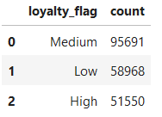 | Basis for loyalty status segmentation: order frequency Q1 (25th percentile): 11.0 Q3 (75th percentile): 56.0 IQR (Interquartile Range): 45.0 customers with order frequency, less than 11 are marked with 'Low' in 'Loyalty Flag' (New customer) - 29% customers with order frequency between 11 and 45 are marked with 'Medium' in 'Loyalty Flag' (Regular customer) - 46% customers with order frequency eual to or more than 56 are marked with 'High' in 'Loyalty Flag' (Loyal customer) - 35% Instacart has relatively broad loyalty customer base considering that Regular and Loyal customer groups are account for nearly 80% of the entire customer base.

Key Question 6. Are there differences in ordering habits based on customer's loyalty status?
 | In regards to 'ordering habits' , two aspects are reviewed: a) type of products being ordered, ('price_range_loc'), b) size of average order. Regarding a) type of products being ordered, there was no difference observed amongst loyalty groups. All groups prefered 'midium-range products' the most and 'high-range products were least purchased. When it comes to b) size of average order, surprisingly the New customer group had the biggest average order size with $47/order followed by Regular customer group with $43/order and Loyal customer group with $36/order. This can be correlated to the order frequency. Loyal customer group (that became loyal due to their highest order frequency) place orders more often whereas the rest group accumulate their shopping list and place order with certain interval. From this, it is speculated that Loyal customers perhap receive either lowewer or FOC delivery fee benefits which encourage them to order more frequently without having to complie the list to qualify for free delivery.

Key Question 7.Are their differences in ordering habits based on customer's region?
 | Ordering habits are reviewed in terms of a) order frequency ('loyalty_flag'), b) type of products ordered ('price_range_loc'). In both aspects, there is no regional difference observed. Conversely all regions showed identical composition of loyal/regular/new customer groups (31%/49%/19%) and the same high/medium/low-range products purching pattern (1%/31%/67%) across all regions. However, one thing to note is that South is a big market with the largest customer base (33%). Typically the region has subtropical climate with hot summers and mild winters and historically agriculture, particularly soybeans, rice, poultry and livestock, is a big pillar to the local economy. Marketing/sales campaign catering to local needs and promoting locally produced could be appealing to the locals in the region.

Key Question 10. What difference can you find in ordering habits of different customer profiles? Consider price of orders, the frequency of orders, products being ordered, and anything else?
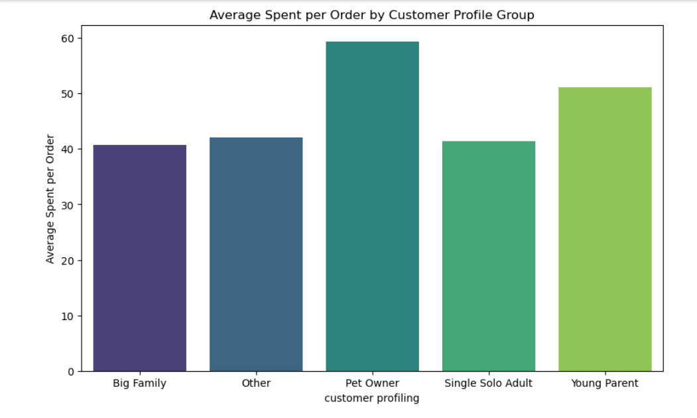
 | Basis for customer profile segmentation: family status, number of dependents, product purchase history, age Single solo adult: family status = 'divorced/widowed' ,'single' & no. of dependants = 0 Young parent: age < 35 & department_id ='18' (Baby) Pet owner: department_id = '8' (Pet) Big family: no. of dependants <=3
 | Composition of customer profiles: only 50% of the customer base satisfied the criteria and the rest is marked as 'Other'. Other: 102,959 (49%) Single Solo Adult: 51,602 (25%) Big Family: 51,594 (25%) Pet Owner: 55 (0.03%) Young Parent: 23(0.01%)
 | Price Sensitivity: There as no difference observed amongst customer profile groups in terms of high/medium/low product purchase patterns. As mentioned earlier in the answer to Q7, the most purchased items are 'mid-range product' (67% of total purchase), followed by low-range products (31%) then high-range product (1%).
 | Frequency of order: It was reviwed using 'loyalty_fram' as it references number of orders. 'Young Parent' group has the highest share of loyal customer and 'Pet owner' has the smallest share of 'loyal customers'. The rest groups have the identical loyaly status distribution ratio of 'the population.
 | Average Order Size: Pet Owner group has the largest average order size of $59, followed by Young Parent group with $51.

7. Recommendations
 |  |  | Title page

Recommendations

In this tab you should include any recommendations you would made to Instcart in terms of their marketing strategy based on the questions posed in the brief. Every key question has been covered in the Tasks of the Exercises - here you need to add an item - a visualisation or table/crosstable that is showing the answer in the data, acompanied by a comment from you. Please, list the questions below and add the answer underneath.

Question |  | Answer
Key Question 1 | What are the busiest days of the week? | Saturdays & Sundays receive the most number of orders.
Key Question 2 | What are times of the day when people spend the most money ? | Between 10am and 4pm is hours with the heighst revenue and of all, 11am is the peak hour.
Key Question 3 | A way to use simpler price range groupings to help direct their efforts | To help Instacart effectively manage its diverse product range and varying price tags, consider these strategic recommendations aimed at optimizing marketing and sales efforts: Segment products by price tiers or categories to target marketing more effectively, and implement dynamic pricing strategies based on demand, time, and location to maximize sales and competitiveness. Design targeted promotional campaigns with offers like bundling, seasonal discounts, or loyalty rewards to attract and retain customers. Continuously monitor competitors' pricing to inform decisions and maintain competitive pricing. Leverage data analytics for insights into customer preferences and purchasing behavior to guide product placement, pricing, and promotions. Communicate transparently with customers about price changes and promotions through personalized notifications to build trust and loyalty. Encourage cross-selling and upselling to increase order value by recommending complementary or premium products. Establish a feedback loop to gather customer insights on pricing and satisfaction, refining strategies accordingly. Develop a flexible long-term pricing strategy aligned with business objectives, and ensure compliance with pricing regulations and ethical standards to build customer trust and enhance brand reputation. By focusing on these areas, Instacart can optimize sales, customer satisfaction, and overall business performance.
Key Question 4 | What types of products are popular? Which department have the highest frequency of product orders? | Popular products are fresh fruits and departments with highest frequency of product orders are 1. produce 2. dairy eggs 3. snacks. (For top 10 products and department lists, please refer to tab 6.Visualization.
Key Question 5 | What's the distribution among users in regards to their brand loyalty? (ex, how often do they return to Instacart?) | Basis for loyalty status segmentation: order frequency Q1 (25th percentile): 11.0 Q3 (75th percentile): 56.0 IQR (Interquartile Range): 45.0 customers with order frequency, less than 11 are marked with 'Low' in 'Loyalty Flag' (New customer) - 29% customers with order frequency between 11 and 45 are marked with 'Medium' in 'Loyalty Flag' (Regular customer) - 46% customers with order frequency eual to or more than 56 are marked with 'High' in 'Loyalty Flag' (Loyal customer) - 35% Instacart has relatively broad loyalty customer base considering that Regular and Loyal customer groups are account for nearly 80% of the entire customer base.
Key Question 6 | Are there differences in ordering habits based on customer's loyalty status? | In regards to 'ordering habits' , two aspects are reviewed: a) type of products being ordered, ('price_range_loc'), b) size of average order. Regarding a) type of products being ordered, there was no difference observed amongst loyalty groups. All groups prefered 'midium-range products' the most and 'high-range products were least purchased. When it comes to b) size of average order, surprisingly the New customer group had the biggest average order size with $47/order followed by Regular customer group with $43/order and Loyal customer group with $36/order. This can be correlated to the order frequency. Loyal customer group (that became loyal due to their highest order frequency) place orders more often whereas the rest group accumulate their shopping list and place order with certain interval. From this, it is speculated that Loyal customers perhap receive either lowewer or FOC delivery fee benefits which encourage them to order more frequently without having to complie the list to qualify for free delivery.
Key Question 7 | Are their differences in ordering habits based on customer's region? | Ordering habits are reviewed in terms of a) order frequency ('loyalty_flag'), b) type of products ordered ('price_range_loc'). In both aspects, there is no regional difference observed. Conversely all regions showed identical composition of loyal/regular/new customer groups (31%/49%/19%) and the same high/medium/low-range products purching pattern (1%/31%/67%) across all regions. However, one thing to note is that South is a big market with the largest customer base (33%). Typically the region has subtropical climate with hot summers and mild winters and historically agriculture, particularly soybeans, rice, poultry and livestock, is a big pillar to the local economy. Marketing/sales campaign catering to local needs and promoting locally produced could be appealing to the locals in the region.
Key Question 8 | Is there a connection between age and family status in terms of odering habits? | Once again, there was no difference observed in terms of order frequency ('loyalty_flag') across age groups and family status. However, 70% of the total customers are married, whereas age group is evenly distributed without any peak. Hence a Marketing/Sales campaign targeting couples are recommended.
Key Question 9 | What different classifications does the demographic information suggest? Age? Income? Certain types of goods? Family Status? | Demographic information can be classified into several categories and for this analysis, age, family status , number of dependants and product purchase history were used. Though age, family status and number of dependants are relatively easy to look at and use, there is a danger that they are 'time-variant' data. Ideally these information should be regularly updated, to acculately target the right audience with marketing/sales campaigns. Alternatively analysing purchase history such as products being ordered and categorise them based on following criteria can increase campaign effectiveness: Essential goods (food, housing , healthcare), Luxury goods (high-end items), Convenience goods (groceries, toiletries) or Specialty goods (custom-made, rare collectivles etc).
Key Question 10 | What difference can you find in ordering habits of different customer profiles? Consider price of orders, the frequency of orders, products being ordered, and anything else? | Basis for customer profile segmentation: family status, number of dependents, product purchase history, age Single solo adult: family status = 'divorced/widowed' ,'single' & no. of dependants = 0 Young parent: age < 35 & department_id ='18' (Baby) Pet owner: department_id = '8' (Pet) Big family: no. of dependants <=3
 |  | Composition of customer profiles: only 50% of the customer base satisfied the criteria and the rest is marked as 'Other'. Other: 102,959 (49%) Single Solo Adult: 51,602 (25%) Big Family: 51,594 (25%) Pet Owner: 55 (0.03%) Young Parent: 23(0.01%)
 |  | Price Sensitivity: There as no difference observed amongst customer profile groups in terms of high/medium/low product purchase patterns. As mentioned earlier in the answer to Q7, the most purchased items are 'mid-range product' (67% of total purchase), followed by low-range products (31%) then high-range product (1%).
 |  | Frequency of order: It was reviwed using 'loyalty_fram' as it references number of orders. 'Young Parent' group has the highest share of loyal customer and 'Pet owner' has the smallest share of 'loyal customers'. The rest groups have the identical loyaly status distribution ratio of 'the population.
 |  | Average Order Size: Pet Owner group has the largest average order size of $59, followed by Young Parent group with $51.

